12cm 90 deg
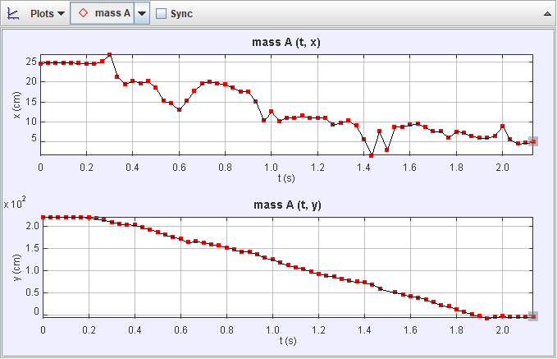
mass_A
t | x | y
0 | 24.64257775 | 222.33081259
0.033333 | 24.911343601 | 222.17919236
0.066666 | 24.895895287 | 222.22229548
0.099999 | 24.880899752 | 222.28285626
0.133332 | 24.8401365 | 222.26667119
0.166665 | 24.73168971 | 221.76855142
0.199998 | 24.681576782 | 220.62720335
0.233331 | 24.625765832 | 219.23798148
0.266664 | 25.190190589 | 215.21184568
0.299997 | 26.990867367 | 211.11754774
0.33333 | 21.355495537 | 206.51075857
0.366663 | 19.559820281 | 205.4905348
0.399996 | 20.339704554 | 203.9392147
0.433329 | 19.7140622 | 198.78346052
0.466662 | 20.261675039 | 193.85494497
0.499995 | 18.618836522 | 187.83120374
0.533328 | 15.295654454 | 182.20305435
0.566661 | 14.78554665 | 176.87894696
0.599994 | 13.000632434 | 172.84367093
0.633327 | 15.333159489 | 164.83146451
0.66666 | 17.891746679 | 166.63090619
0.699993 | 19.706199587 | 164.05307147
0.733326 | 20.186862699 | 160.74250434
0.766659 | 19.687284716 | 157.15665436
0.799992 | 19.425811238 | 152.81114994
0.833325 | 18.666244142 | 148.44817791
0.866658 | 17.631949699 | 143.32783682
0.899991 | 17.635579586 | 143.33367282
0.933324 | 15.065598879 | 137.72142391
0.966657 | 10.404643939 | 129.78424282
0.99999 | 12.595095295 | 125.95095295
1.033323 | 10.29185647 | 118.77161628
1.066656 | 11.059184221 | 113.11305676
1.099989 | 11.062078798 | 108.05620546
1.133322 | 11.567012406 | 103.69710256
1.166655 | 11.060816336 | 98.837099244
1.199988 | 11.061703728 | 93.719196814
1.233321 | 11.061362168 | 88.853496484
1.266654 | 9.3094182612 | 87.618054223
1.299987 | 9.8336487426 | 81.969486983
1.33332 | 10.343117241 | 77.881323658
1.366653 | 9.0619271023 | 75.850346728
1.399986 | 5.7285845747 | 74.31542313
1.433319 | 1.6360272642 | 69.192701884
1.466652 | 7.6665797445 | 59.1421866
1.499985 | 3.063614216 | NaN
1.533318 | 8.7618054223 | 50.927994017
1.566651 | 8.7618054223 | 46.547091306
1.599984 | 9.3094182612 | 42.713801434
1.633317 | 9.6101783394 | 39.39389632
1.66665 | 8.791663199 | 35.299463664
1.699983 | 7.6665797445 | 29.023480461
1.733316 | 7.6665797445 | 21.904513556
1.766649 | 6.0237412278 | 19.7140622
1.799982 | 7.5638320208 | 12.314372804
1.833315 | 7.2996060022 | 6.900113936
1.866648 | 6.529727776 | 1.7686180678
1.899981 | 6.0296906508 | -2.7744997592
1.933314 | 6.0210155563 | -6.901127404
1.966647 | 6.5713540667 | -4.3809027111
1.99998 | 8.877360498 | -2.3369507475
2.033313 | 5.591916266 | -4.3906976736
2.066646 | 4.5844495336 | -4.6554070055
2.099979 | 4.7734403055 | -4.4069037999
2.133312 | 4.9657560735 | -4.8291478921

12 cm 60 deg
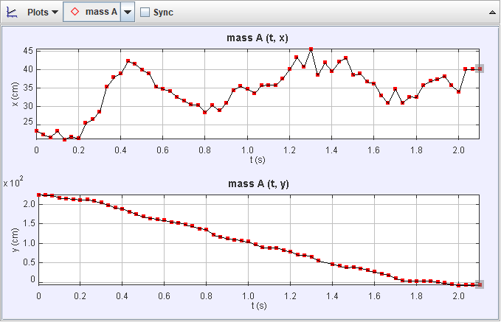
mass_A
t | x | y
0 | 23.324887857 | 225.65472903
0.033333 | 22.324409134 | 224.44474584
0.066666 | 21.548772668 | 223.30962663
0.099999 | 23.324887857 | 216.97570099
0.133332 | 21.014967788 | 215.87732576
0.166665 | 21.790880284 | 213.90047817
0.199998 | 21.293432263 | 212.40182416
0.233331 | 25.494644867 | 212.63618697
0.266664 | 26.523786654 | 209.3937415
0.299997 | 28.537586055 | 205.55183364
0.33333 | 35.258551411 | 198.53276641
0.366663 | 37.970747674 | 192.02349538
0.399996 | 38.980352186 | 189.47872339
0.433329 | 42.310261693 | 181.71714958
0.466662 | 41.551319635 | 174.87351984
0.499995 | 40.034933773 | 169.02957168
0.533328 | 39.018085975 | 164.48368481
0.566661 | 35.258551411 | 162.18933649
0.599994 | 34.716112159 | 159.47714023
0.633327 | 34.204002863 | 154.90280456
0.66666 | 32.546355149 | 152.9678692
0.699993 | 31.60223402 | 149.1592761
0.733326 | 30.479526785 | 144.60865646
0.766659 | 30.376598139 | 138.32200938
0.799992 | 28.371962982 | 135.77556725
0.833325 | 30.376598139 | 122.59127106
0.866658 | 28.860446674 | 117.0184131
0.899991 | 30.882049877 | 112.45366981
0.933324 | 34.434438393 | 110.17152545
0.966657 | 35.485176457 | 107.39642148
0.99999 | 34.716112159 | 104.69077573
1.033323 | 33.631233654 | 97.639065446
1.066656 | 35.663611587 | 90.297442642
1.099989 | 35.800990664 | 88.960037407
1.133322 | 35.800990664 | 88.960037407
1.166655 | 37.571939201 | 82.892603298
1.199988 | 40.076231011 | 79.823693294
1.233321 | 43.395140198 | 71.059542075
1.266654 | 40.862703519 | 70.047114613
1.299987 | 45.679268347 | 65.738347789
1.33332 | 38.583750385 | 55.853478903
1.366653 | 41.872896175 | NaN
1.399986 | 39.598065431 | 46.649775713
1.433319 | 42.139059238 | 43.357419115
1.466652 | 43.126087521 | 38.530655036
1.499985 | 38.513186926 | 40.140504684
1.533318 | 38.987043912 | 36.306784075
1.566651 | 36.737750635 | 31.988841775
1.599984 | 36.232314852 | 27.502894372
1.633317 | 32.936656115 | 22.91253841
1.66665 | 30.919037391 | 18.985373837
1.699983 | 34.716112159 | 10.306345797
1.733316 | 30.909434017 | 5.2399739297
1.766649 | 32.546355149 | 3.7970747674
1.799982 | 32.539061831 | 3.7913631327
1.833315 | 35.800990664 | 3.7970747674
1.866648 | 36.885869169 | 3.7970747674
1.899981 | 37.428308421 | 0.54243925248
1.933314 | 38.193442125 | -1.2364273891
1.966647 | 35.6565603 | -4.2934620093
1.99998 | 33.896484313 | -7.0797947053
2.033313 | 40.140504684 | -6.5092710298
2.066646 | 40.133116822 | -6.4996496284
2.099979 | 40.154242712 | -6.5216810491

12 cm 30 deg
mass_A
t | x | y
0 | 27.622466051 | 232.81792815
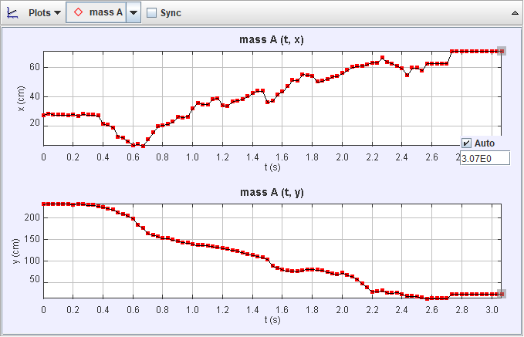
0.033333 | 28.704776938 | 233.3233009
0.066666 | 27.904945895 | 232.94434309
0.099999 | 27.900179238 | 233.27188506
0.133332 | 27.801908185 | 233.7440023
0.166665 | 27.587383593 | 233.79778153
0.199998 | 28.136960878 | 231.52513092
0.233331 | 27.058742254 | 233.38165194
0.266664 | 28.340404447 | 232.39334323
0.299997 | 27.831053489 | 230.24662033
0.33333 | 27.828961723 | 230.24547772
0.366663 | 27.326459982 | 228.09701933
0.399996 | 21.421504285 | 224.92579499
0.433329 | 21.010072569 | 222.69145544
0.466662 | 19.19154818 | 219.78197584
0.499995 | 12.96564733 | 212.52387146
0.533328 | 12.274964257 | 210.45530356
0.566661 | 9.7566853184 | 205.15418681
0.599994 | 7.1588606457 | 199.35601183
0.633327 | 7.8921331576 | 183.77395781
0.66666 | 6.7646855636 | 177.00927225
0.699993 | 11.274475939 | 164.60734871
0.733326 | 15.784266315 | 160.66128214
0.766659 | 20.294056691 | 157.84266315
0.799992 | 20.857780488 | 153.33287278
0.833325 | 21.421504285 | 153.33287278
0.866658 | 23.112675676 | 149.95052999
0.899991 | 26.495018458 | 147.13191101
0.933324 | 25.931294661 | 143.74956823
0.966657 | 26.495018458 | 143.18584443
0.99999 | 32.289394644 | 139.67851772
1.033323 | 35.97800804 | 137.84449917
1.066656 | 34.950875412 | 137.54860646
1.099989 | 34.950875412 | 136.42115887
1.133322 | 38.381684419 | 134.40069757
1.166655 | 39.172703715 | 132.9618722
1.199988 | 34.163417032 | 130.60999074
1.233321 | 33.922626082 | 128.27017406
1.266654 | 36.786040981 | 126.21355323
1.299987 | 37.577008854 | 123.33919841
1.33332 | 38.376149523 | 120.08347545
1.366653 | 40.224093597 | 116.92587778
1.399986 | 42.589003523 | 114.29690409
1.433319 | 43.970456164 | 111.6173118
1.466652 | 43.972131184 | 109.24720978
1.499985 | 36.331209239 | 103.72221649
1.533318 | 37.2057706 | 89.632083718
1.566651 | 41.715560976 | 85.122293342
1.599984 | 43.406732367 | 80.048779169
1.633317 | 47.352798945 | 78.357607779
1.66665 | 51.266567075 | 77.352592226
1.699983 | 51.040409455 | 77.038593144
1.733316 | 55.244932103 | 78.921331576
1.766649 | 54.681208306 | 81.176226763
1.799982 | 54.117484509 | 81.176226763
1.833315 | 50.17141793 | 80.048779169
1.866648 | 50.735141727 | 79.485055373
1.899981 | 52.052510711 | 74.760547345
1.933314 | 53.553760712 | 71.592922215
1.966647 | 54.038966462 | 69.485636696
1.99998 | 55.937223031 | 72.910680242
2.033313 | 58.034240968 | 68.166648614
2.066646 | 60.141850884 | 65.009964185
2.099979 | 60.661647534 | 58.159172913
2.133312 | 60.882170073 | 47.916522742
2.166645 | 62.009617667 | 38.896941991
2.199978 | 63.13706526 | 28.749913645
2.233311 | 63.13706526 | 29.877361239
2.266644 | 66.559155026 | 31.458733589
2.299977 | 63.662984595 | 26.715192168
2.33331 | 62.573341463 | 26.495018458
2.366643 | 60.882170073 | 27.622466051
2.399976 | 59.190998682 | 23.676399473
2.433309 | 54.452873375 | 19.46488983
2.466642 | 59.754722479 | 19.730332894
2.499975 | 59.754722479 | 18.039161503
2.533308 | 57.645538646 | 15.403591791
2.566641 | 62.573341463 | 13.529371127
2.599974 | 62.621710617 | 13.735351993
2.633307 | 62.61880243 | 13.738008088
2.66664 | 62.586051595 | 13.774658708
2.699973 | 62.602390613 | 13.762058015
2.733306 | 70.998209939 | 24.074663824
2.766639 | 71.010605406 | 24.063256083
2.799972 | 71.064141715 | 24.021531541
2.833305 | 71.033009458 | 24.035391974
2.866638 | 71.038688954 | 24.046052137
2.899971 | 71.040997588 | 24.043366087
2.933304 | 70.98250967 | 24.080576975
2.966637 | 70.975534736 | 24.087810852
2.99997 | 71.005098282 | 24.061591529
3.033303 | 71.008541511 | 24.063238694
3.066636 | 71.063567508 | 24.017217686

